Sheet1
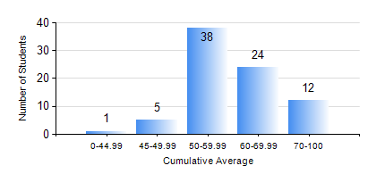
 |  |  | KWAME NKRUMAH UNIVERSITY OF SCIENCE AND TECHNOLOGY, KUMASI Department of Telecommunication Engineering

 |  |  | BSC. TELECOMMUNICATION ENG.

 |  |  | COMPREHENSIVE RECORD OF EXAMINATION RESULTS

 |  |  | RESULTS OF YEAR 3 FIRST SEMESTER, 2019/2020 ACADEMIC YEAR

 | Sn | Course Code |  | Course Name | Credit Hours | Min. Mark | Max. Mark | Avg. Mark | Std. Dev. | No. Passed | No. Trailed | No. (Df) | No. (I) | No. (I*) | No. Tagged(I,I*,Df) | Total
 | 0. |  |  |  |  |  |  | 0 | 0 | 0 | 0 | 0 | 0 | 0 | 0 | 5
 | 1. | COE 381 |  | MICROPROCESSORS | 3 | 27 | 91 | 53 | 12.68 | 74 | 1 | 0 | 0 | 0 | 0 | 75
 | 2. | EE 371 |  | LINEAR ELECTRONIC CIRCUITS | 3 | 19 | 89 | 56 | 13 | 72 | 3 | 0 | 0 | 0 | 0 | 75
 | 3. | MATH 351 |  | NUMERICAL ANALYSIS | 2 | 26 | 76 | 54 | 10.27 | 73 | 2 | 0 | 0 | 0 | 0 | 75
 | 4. | MATH 353 |  | PROBABILTY AND STATISTICS | 2 | 48 | 90 | 71 | 9.49 | 75 | 0 | 0 | 0 | 0 | 0 | 75
 | 5. | TE 361 |  | INFORMATION THEORY | 2 | 25 | 89 | 57 | 14.8 | 64 | 11 | 0 | 0 | 0 | 0 | 75
 | 6. | TE 381 |  | OPTICAL COMMUNICATIONS | 2 | 17 | 84 | 52 | 14.27 | 65 | 6 | 4 | 0 | 0 | 4 | 75
 | 7. | TE 385 |  | SIGNALS AND SYSTEMS | 2 | 28 | 87 | 58 | 14.38 | 72 | 3 | 0 | 0 | 0 | 0 | 75
 | 8. | TE 391 |  | TELECOMMUNICATIONS LAB III | 2 | 43 | 87 | 78 | 7.96 | 75 | 0 | 0 | 0 | 0 | 0 | 75

